Instructions
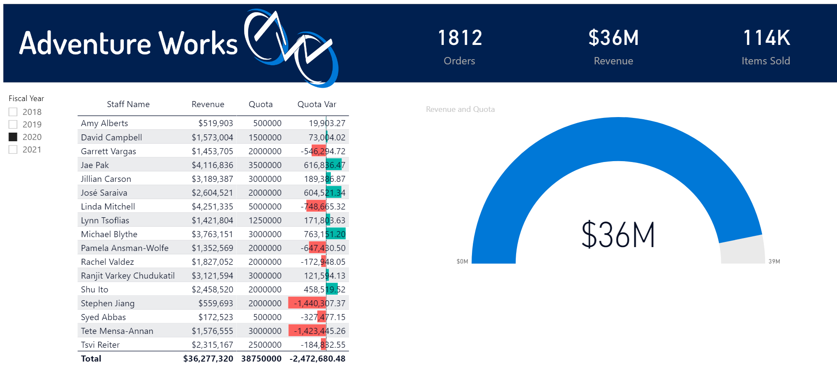

 |  | Excel Skills for Data Analytics and Visualization
 |  | Course 3 - Excel Power Tools for Data Analysis

 |  | Week 4 Practice Challenge

Instructions
Scenario: You are employed by an analytics firm. You have recently been working on creating a dashboard for Power BI. Your manager informs you of an update in the project, necessitating you to create a new report in the Sales Report with Quotas.pbix file, the file wher eyou have been creating the reports for the dashboard. This one report will analyze how the revenue compares to the sales quotas set for staff.

1) | Open the Sales Report with Quotas.pbix file, and then import the Excel file called Quotas.

2a) | Go to the Model view. You have already have some tables in there that you used to create the other reports. You notice that Power BI has added a relationship between the Quotas and Orders table. Delete it. If Power BI has added a relationship between the Quotas and Orders, delete it, then add a relationship to link Sales Person ID on the Quotas table to Employee ID on the Staff table. (Note the cardinality of this relationship is one-to-one).
b) | Replace this with the correct relationship, one that links Sales Person ID on the Quotas table to Employee ID on the Staff table.

3) | You are interested in the sum of the quotas. In Report view create a new measure called Quota to sum SalesQuota on the Quotas table.

4) | You need to ensure consistency between the new and previous reports, but you do not want to spend the time creating the header. Add a new page called Quotas by duplicating one of the existing pages. Remove the content, leaving the headers, cards, and slicer.

5) | You figure a gauage chart would best convey information that would solve your business problem. Add a Gauge Chart. Put Revenue in the Value field and Quota in the Maximum field. Select different years using the slicer.
 | When you select 2020 your gauge chart should look like this:
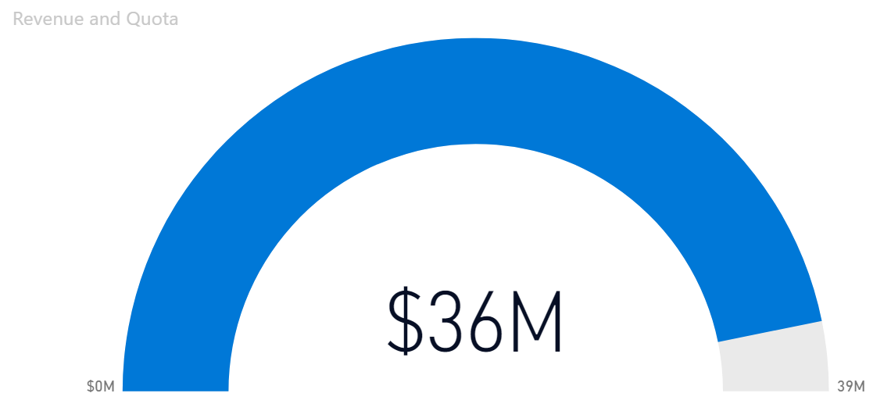

6a) | You want to create a table which highlights the revenue and quota of each staff. In Data view click on the Staff table and click into one of the columns. Add a calculated column called Staff Name that combines First Name and Last Name separated by a space. |  | Hint
b) | In Report view drag Staff Name onto the canvas to create a table. Add Revenue and Quota to the table.
c) | Furthermore, to look at a comparison between revenu and quota, on the Quotas table add a new measure called Quota Var which subtracts Quota from Revenue. Add Quota Var to the table visualisation. |  | Hint
d) | With the table visual still selected add Data Bars Conditional formatting to the Quota Var column to make the data easier to intepret and more appealing.

 | Your finished report page should look like this:

